Value Result_y = KZ Index
y = KZ Index
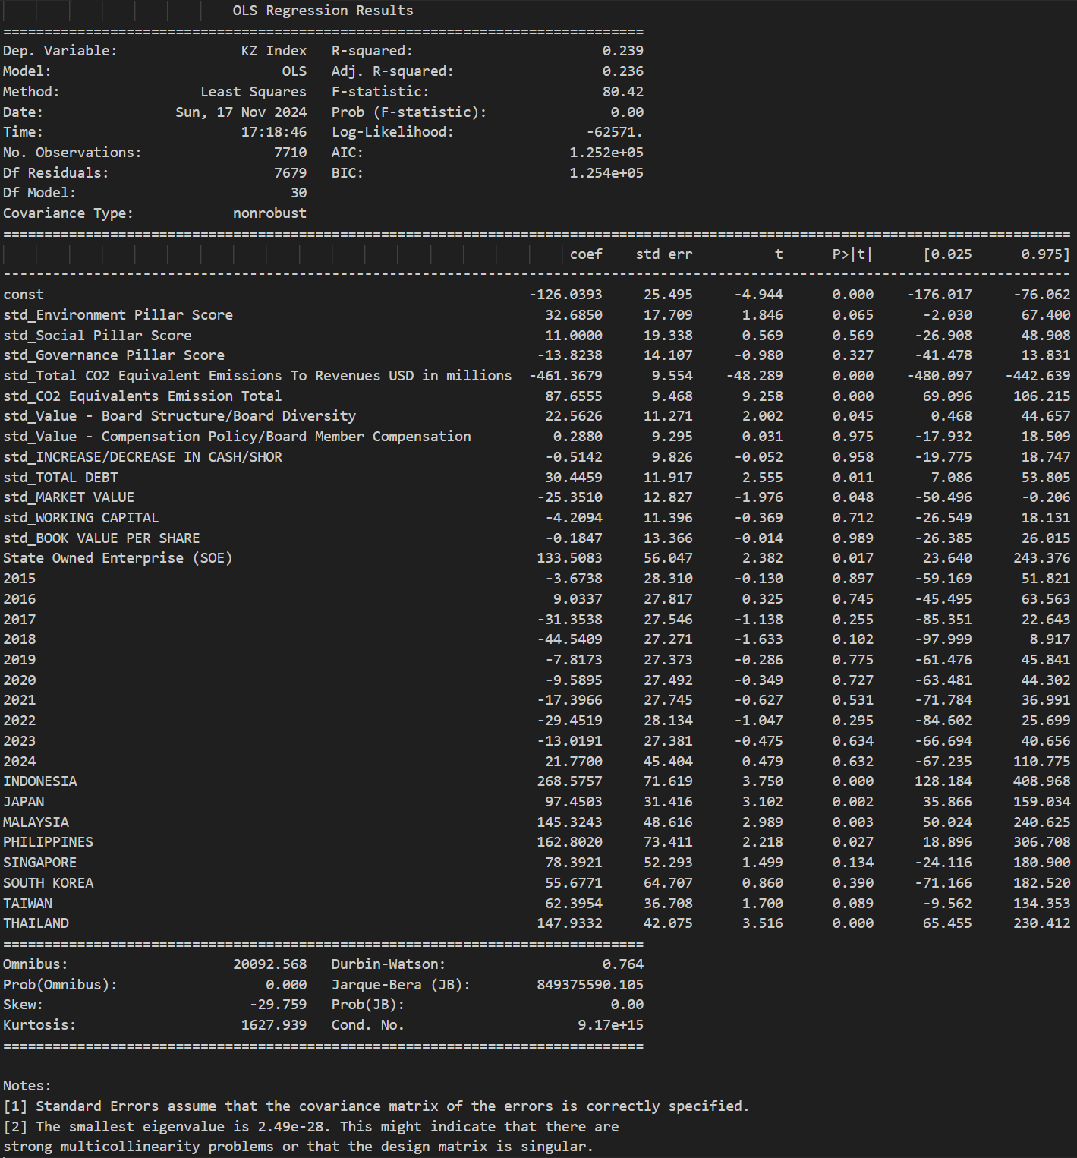
Variable | Coefficient | Std. Error | p-value | VIF
const | -126.0393 | 25.4952 | 0.0000*** | 0
std_Environment Pillar Score | 32.685 | 17.7091 | 0.0650. | 3.673
std_Social Pillar Score | 11 | 19.3381 | 0.5695 | 4.3799
std_Governance Pillar Score | -13.8238 | 14.1075 | 0.3272 | 2.3309
std_Total CO2 Equivalent Emissions To Revenues USD in millions | -461.3679 | 9.5543 | 0.0000*** | 1.0691
std_CO2 Equivalents Emission Total | 87.6555 | 9.4679 | 0.0000*** | 1.0499
std_Value - Board Structure/Board Diversity | 22.5626 | 11.271 | 0.0453* | 1.4878
std_Value - Compensation Policy/Board Member Compensation | 0.288 | 9.2949 | 0.9753 | 1.0119
std_INCREASE/DECREASE IN CASH/SHOR | -0.5142 | 9.8256 | 0.9583 | 1.1307
std_TOTAL DEBT | 30.4459 | 11.9165 | 0.0106* | 1.6631
std_MARKET VALUE | -25.351 | 12.8272 | 0.0482* | 1.9271
std_WORKING CAPITAL | -4.2094 | 11.3964 | 0.7119 | 1.5211
std_BOOK VALUE PER SHARE | -0.1847 | 13.3655 | 0.9890 | 2.0922
State Owned Enterprise (SOE) | 133.5083 | 56.0473 | 0.0172* | 1.141
2015 | -3.6738 | 28.31 | 0.8968 | inf
2016 | 9.0337 | 27.817 | 0.7454 | inf
2017 | -31.3538 | 27.5455 | 0.2550 | inf
2018 | -44.5409 | 27.2708 | 0.1025 | inf
2019 | -7.8173 | 27.373 | 0.7752 | inf
2020 | -9.5895 | 27.4918 | 0.7272 | inf
2021 | -17.3966 | 27.7449 | 0.5307 | inf
2022 | -29.4519 | 28.1341 | 0.2952 | inf
2023 | -13.0191 | 27.3813 | 0.6345 | inf
2024 | 21.77 | 45.4042 | 0.6316 | inf
INDONESIA | 268.5757 | 71.6186 | 0.0002*** | 1.8193
JAPAN | 97.4503 | 31.416 | 0.0019** | 2.8484
MALAYSIA | 145.3243 | 48.6159 | 0.0028** | 1.493
PHILIPPINES | 162.802 | 73.4113 | 0.0266* | 1.157
SINGAPORE | 78.3921 | 52.2929 | 0.1339 | 1.3009
SOUTH KOREA | 55.6771 | 64.7068 | 0.3896 | 2.4978
TAIWAN | 62.3954 | 36.708 | 0.0892. | 2.0017
THAILAND | 147.9332 | 42.075 | 0.0004*** | 1.6209

Explanation of the stars： ***：Significant at the 0.1% level **：Significant at the 1% level *：Significant at the 5% level .: Significant at the 10% level

Value Result_y = Altman Z
y = Altman Z-score
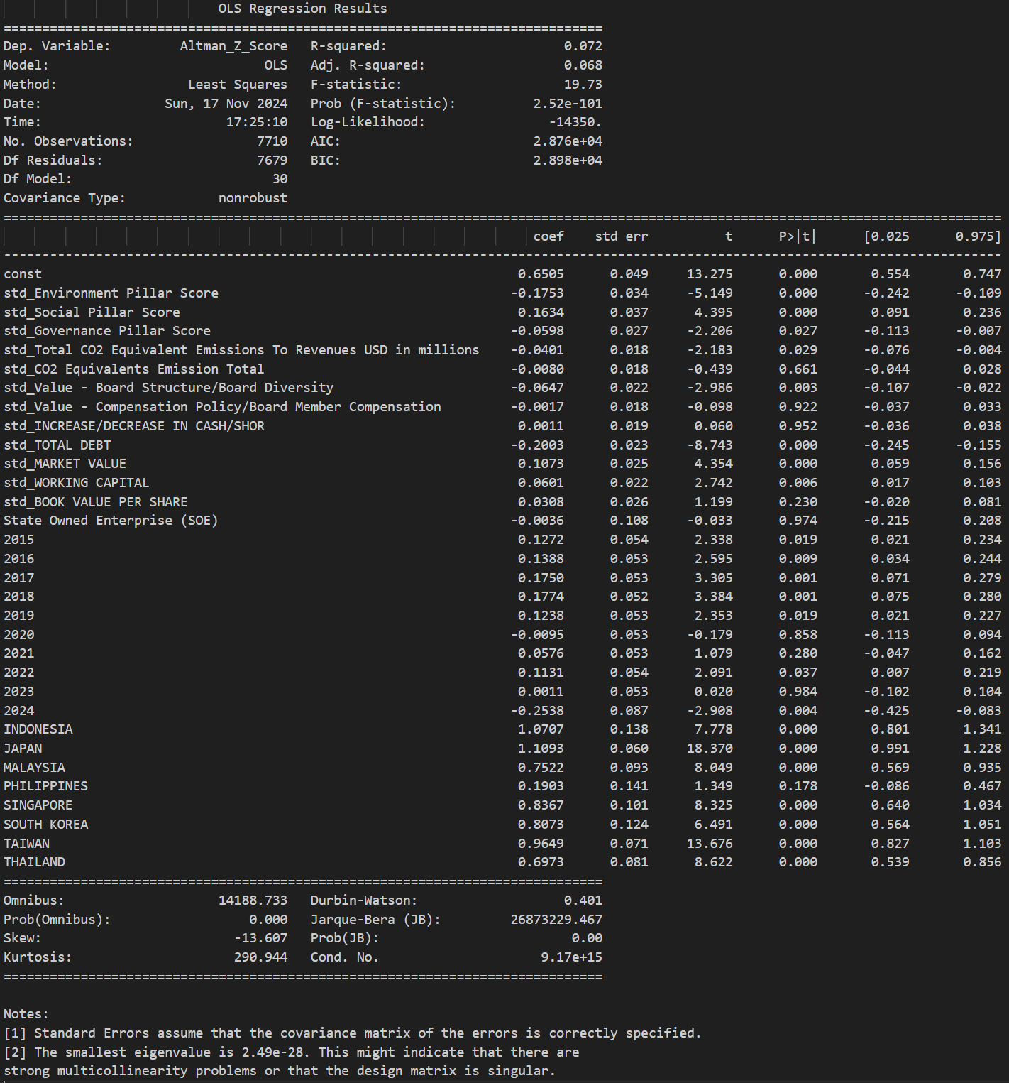
Variable | Coefficient | Std. Error | p-value | VIF
const | 0.6505 | 0.049 | 0.0000*** | 0
std_Environment Pillar Score | -0.1753 | 0.034 | 0.0000*** | 3.673
std_Social Pillar Score | 0.1634 | 0.0372 | 0.0000*** | 4.3799
std_Governance Pillar Score | -0.0598 | 0.0271 | 0.0274* | 2.3309
std_Total CO2 Equivalent Emissions To Revenues USD in millions | -0.0401 | 0.0184 | 0.0291* | 1.0691
std_CO2 Equivalents Emission Total | -0.008 | 0.0182 | 0.6607 | 1.0499
std_Value - Board Structure/Board Diversity | -0.0647 | 0.0217 | 0.0028** | 1.4878
std_Value - Compensation Policy/Board Member Compensation | -0.0017 | 0.0179 | 0.9222 | 1.0119
std_INCREASE/DECREASE IN CASH/SHOR | 0.0011 | 0.0189 | 0.9522 | 1.1307
std_TOTAL DEBT | -0.2003 | 0.0229 | 0.0000*** | 1.6631
std_MARKET VALUE | 0.1073 | 0.0247 | 0.0000*** | 1.9271
std_WORKING CAPITAL | 0.0601 | 0.0219 | 0.0061** | 1.5211
std_BOOK VALUE PER SHARE | 0.0308 | 0.0257 | 0.2305 | 2.0922
State Owned Enterprise (SOE) | -0.0036 | 0.1077 | 0.9737 | 1.141
2015 | 0.1272 | 0.0544 | 0.0194* | inf
2016 | 0.1388 | 0.0535 | 0.0095** | inf
2017 | 0.175 | 0.0529 | 0.0010** | inf
2018 | 0.1774 | 0.0524 | 0.0007*** | inf
2019 | 0.1238 | 0.0526 | 0.0186* | inf
2020 | -0.0095 | 0.0528 | 0.8576 | inf
2021 | 0.0576 | 0.0533 | 0.2805 | inf
2022 | 0.1131 | 0.0541 | 0.0366* | inf
2023 | 0.0011 | 0.0526 | 0.9838 | inf
2024 | -0.2538 | 0.0873 | 0.0036** | inf
INDONESIA | 1.0707 | 0.1377 | 0.0000*** | 1.8193
JAPAN | 1.1093 | 0.0604 | 0.0000*** | 2.8484
MALAYSIA | 0.7522 | 0.0934 | 0.0000*** | 1.493
PHILIPPINES | 0.1903 | 0.1411 | 0.1775 | 1.157
SINGAPORE | 0.8367 | 0.1005 | 0.0000*** | 1.3009
SOUTH KOREA | 0.8073 | 0.1244 | 0.0000*** | 2.4978
TAIWAN | 0.9649 | 0.0706 | 0.0000*** | 2.0017
THAILAND | 0.6973 | 0.0809 | 0.0000*** | 1.6209

Explanation of the stars： ***：Significant at the 0.1% level **：Significant at the 1% level *：Significant at the 5% level .: Significant at the 10% level

